Instructions
Optical Analysis Macro

Instructions

1. Click the "Import File" Button.
2. Choose the desired raw data file and click "OK".
3. Enter in the IL max and RL min when prompted.
4. While running, the progress is displayed in the progress bar in the lower left corner.
5. The report will be displayed on the "Report" tab.
6. When finished with the data and you want to run the macro again, click the "Import File" Button again and choose the next file.

What it does

This macro takes raw data from optical tests and outputs the following:
- Reorganizes the data
- Calculates the total number of tries to measure each sample
- Shows whether each fiber passes or fails based off of the specs provided.
- Calculates the MFPY (machine first pass yield).
This program can handle single fiber and multi fiber data and any number of wavelengths tested.

Extracting Raw Data Document from SPC

1. Open SPC Module for your respective site location.



2. Under the "Reports" dropdown menu, click on "Reporting Tools".

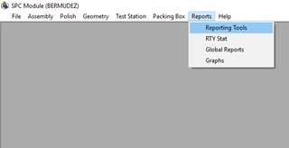

3. Under the category column, click on "Optical".

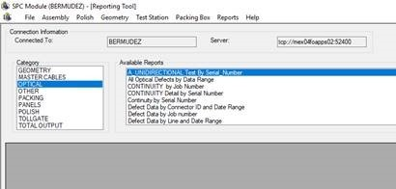

4. Under the "Avaliable Reports" column, click on "Test Data by Job Number Concatenated Defects".

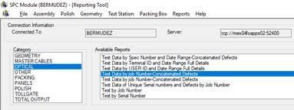

5. A pop-up box will appear asking for the job number. Enter the job number and click "OK".

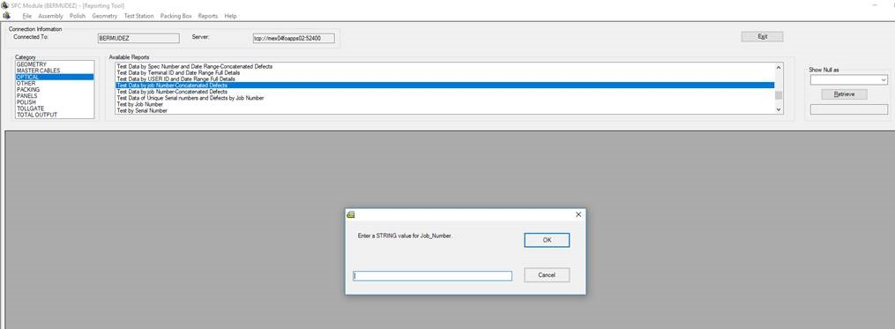

6. The raw data will be formatted as pictured below. Save this file to be uploaded to the macro.

